Content
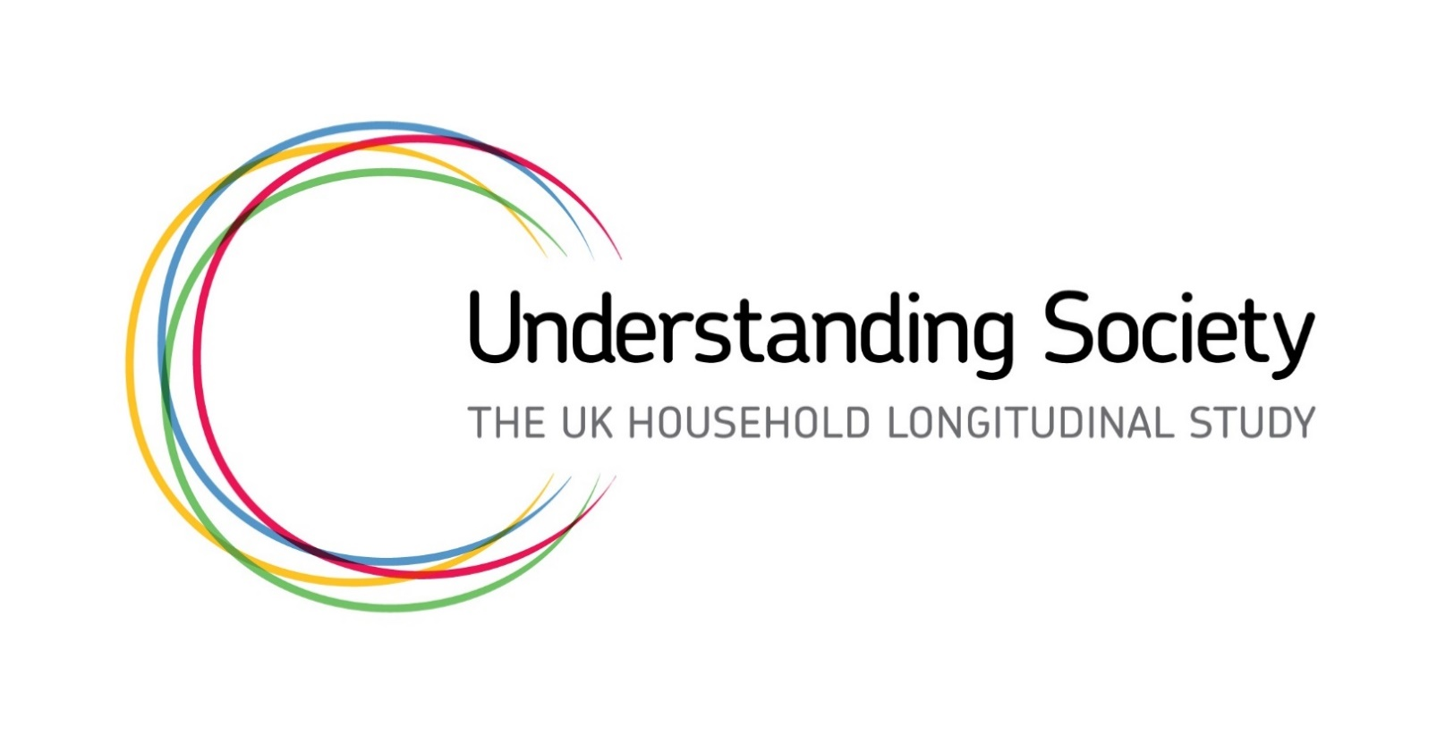
Linking open data to Understanding Society

This spreadsheet contains a selection of data sources that can be linked with Understanding Society Datasets.
The level of access required link open data to Understanding Society datasets will depend on the selected geography level.
More information about geography and access levels can be found here.

DISCLAIMER
Due to variety of sources and administrative differences between UK countries, the definition of geography levels can vary.
For example, in some regional datasets Wales, Scotland and Northern Ireland are listed together with 9 Regions of England.
The accuracy of provided information depends on the website that provide the particular dataset.
Geographical identifiers available in UKHLS can be found here.

CONTACT
Understanding Society Linkage team
k.garic@essex.ac.uk

